Sheet1
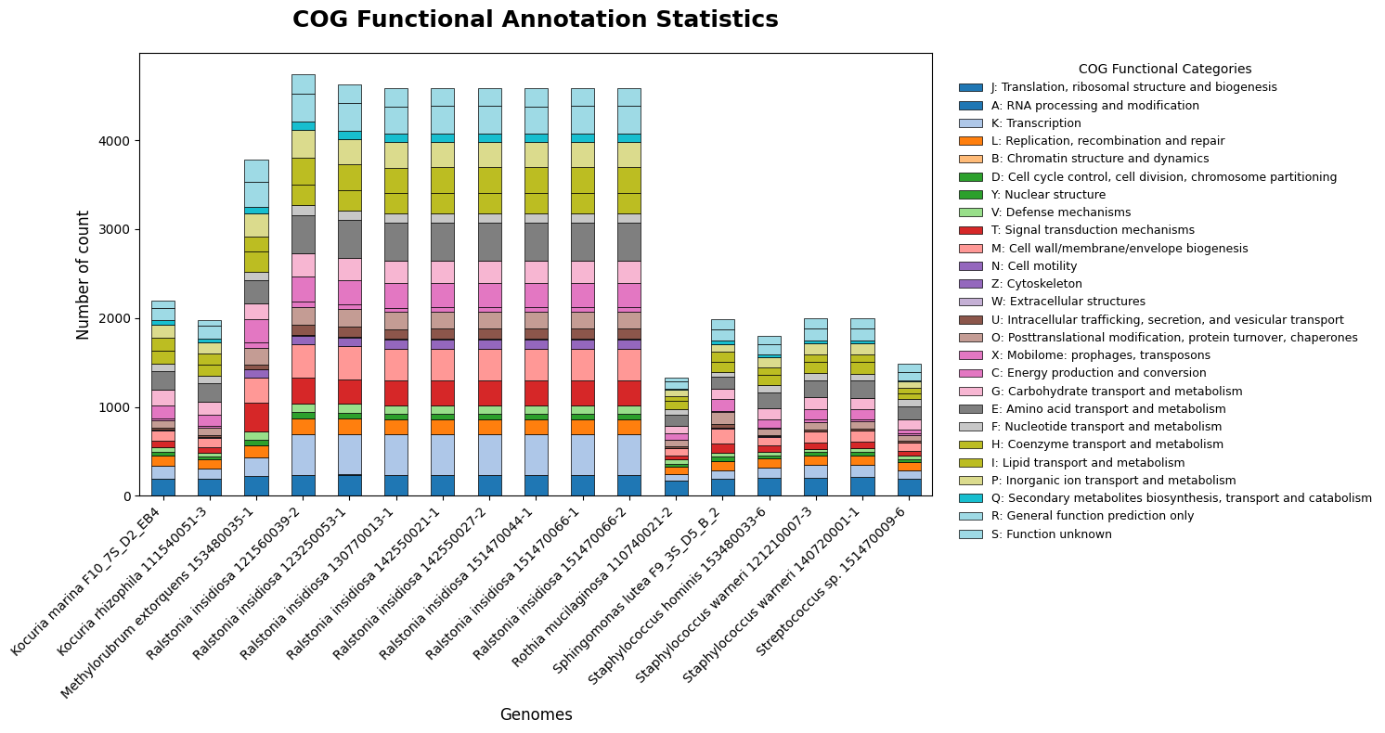
Assembly | Genome Name/ Sample Name | J | A | K | L | B | D | Y | V | T | M | N | Z | W | U | O | X | C | G | E | F | H | I | P | Q | R | S
8132450495 | Kocuria rhizophila 111540051-3 | 191 | 1 | 120 | 104 | 0 | 30 | 0 | 41 | 65 | 99 | 5 | 0 | 1 | 25 | 87 | 22 | 124 | 138 | 210 | 84 | 128 | 128 | 118 | 49 | 139 | 71
8133623617 | Ralstonia insidiosa 151470044-1 | 237 | 2 | 452 | 168 | 0 | 63 | 0 | 95 | 276 | 364 | 99 | 3 | 5 | 114 | 195 | 46 | 278 | 249 | 423 | 110 | 224 | 290 | 284 | 97 | 307 | 206
8132601599 | Ralstonia insidiosa 130770013-1 | 237 | 2 | 452 | 168 | 0 | 63 | 0 | 95 | 276 | 363 | 99 | 3 | 5 | 114 | 196 | 44 | 278 | 249 | 423 | 110 | 224 | 290 | 284 | 97 | 307 | 206
8132503709 | Staphylococcus warneri 121210007-3 | 205 | 0 | 142 | 103 | 0 | 41 | 0 | 40 | 71 | 118 | 6 | 0 | 0 | 21 | 83 | 30 | 115 | 132 | 192 | 78 | 126 | 90 | 127 | 25 | 134 | 118
8133476785 | Sphingomonas lutea F9_3S_D5_B_2 | 187 | 0 | 98 | 107 | 1 | 48 | 0 | 44 | 101 | 170 | 6 | 0 | 4 | 45 | 134 | 12 | 133 | 115 | 137 | 52 | 115 | 116 | 80 | 41 | 130 | 107
8133341747 | Streptococcus sp. 151470009-6 | 191 | 0 | 96 | 91 | 0 | 33 | 0 | 47 | 48 | 93 | 5 | 0 | 0 | 14 | 66 | 15 | 46 | 117 | 144 | 81 | 70 | 58 | 70 | 10 | 98 | 93
8133992572 | Staphylococcus hominis 153480033-6 | 200 | 0 | 117 | 101 | 0 | 36 | 0 | 42 | 68 | 99 | 5 | 0 | 0 | 18 | 68 | 15 | 96 | 120 | 177 | 79 | 121 | 83 | 119 | 21 | 115 | 102
8132824355 | Ralstonia insidiosa 142550021-1 | 237 | 2 | 452 | 168 | 0 | 63 | 0 | 95 | 276 | 364 | 99 | 3 | 5 | 114 | 196 | 46 | 278 | 249 | 423 | 110 | 224 | 290 | 284 | 97 | 307 | 206
8132433368 | Rothia mucilaginosa 110740021-2 | 172 | 1 | 67 | 83 | 0 | 40 | 0 | 44 | 43 | 87 | 2 | 0 | 2 | 21 | 72 | 1 | 69 | 81 | 131 | 61 | 96 | 50 | 70 | 16 | 76 | 48
8132818425 | Ralstonia insidiosa 142550027-2 | 237 | 2 | 452 | 168 | 0 | 63 | 0 | 95 | 276 | 364 | 99 | 3 | 5 | 114 | 196 | 46 | 278 | 250 | 423 | 110 | 224 | 290 | 284 | 97 | 307 | 206
8133643943 | Methylorubrum extorquens 153480035-1 | 221 | 0 | 206 | 142 | 1 | 62 | 0 | 92 | 322 | 288 | 89 | 0 | 2 | 50 | 187 | 66 | 259 | 178 | 259 | 95 | 231 | 168 | 257 | 74 | 278 | 250
8133635480 | Ralstonia insidiosa 151470066-2 | 237 | 2 | 452 | 168 | 0 | 63 | 0 | 95 | 276 | 364 | 99 | 3 | 5 | 114 | 196 | 46 | 278 | 250 | 423 | 110 | 224 | 290 | 284 | 97 | 307 | 206
8133629549 | Ralstonia insidiosa 151470066-1 | 237 | 2 | 452 | 168 | 0 | 63 | 0 | 95 | 276 | 364 | 99 | 3 | 5 | 114 | 196 | 46 | 278 | 249 | 423 | 110 | 224 | 290 | 284 | 97 | 307 | 206
8132595571 | Ralstonia insidiosa 123250053-1 | 238 | 2 | 454 | 175 | 0 | 66 | 0 | 98 | 279 | 367 | 99 | 3 | 5 | 116 | 200 | 47 | 278 | 249 | 423 | 110 | 225 | 291 | 286 | 97 | 310 | 210
8135715517 | Kocuria marina F10_7S_D2_EB4 | 196 | 1 | 142 | 114 | 0 | 42 | 0 | 51 | 70 | 114 | 9 | 0 | 1 | 23 | 85 | 26 | 147 | 172 | 205 | 88 | 144 | 148 | 142 | 56 | 140 | 82
8132551458 | Ralstonia insidiosa 121560039-2 | 237 | 2 | 453 | 174 | 0 | 74 | 0 | 100 | 287 | 374 | 101 | 3 | 5 | 115 | 200 | 61 | 285 | 256 | 430 | 111 | 230 | 304 | 311 | 99 | 311 | 223
8134898396 | Staphylococcus warneri 140720001-1 | 209 | 0 | 135 | 105 | 0 | 46 | 0 | 46 | 72 | 117 | 7 | 0 | 0 | 21 | 81 | 26 | 110 | 126 | 196 | 79 | 126 | 90 | 127 | 23 | 136 | 118

